Tabelle1
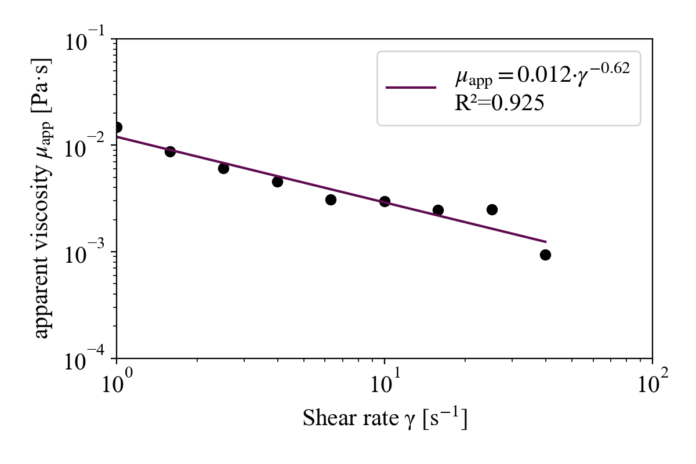
 |  |  |  |  |  |  |  |  |  |  |  |  |  |  |  |  | für die linearisierung:
Index | Sample Name |  | texp (s) | t (s) | T (°C) | sigma (Pa) | gamma (s^-1) | eta (Pas) | F(N) | N1 (Pa) | g (mm) | tau (Nm) | (gsigma(rad/s) | steady state | sigmaabs (rad | Note | log(gamma (s^-1)) | log(eta (Pas))
1 | Enter sample name... (3) | Viscometry shear rate table | 9.95E+02 | 90 | 30 | 1.32E-02 | 1.00E-01 | 1.32E-01 | -2.35E-01 | NaN | 1 | 7.90E-07 | 8.68E-03 | 0.9439 | 3.40E+00 | K015 | -1 | -0.87975520445
2 | Enter sample name... (3) | Viscometry shear rate table | 1.08E+03 | 180 | 30 | 1.54E-02 | 1.59E-01 | 9.74E-02 | -2.34E-01 | NaN | 1 | 9.24E-07 | 1.38E-02 | 1.01 | 4.64E+00 | K015 | -0.79997073345 | -1.0116640441
3 | Enter sample name... (3) | Viscometry shear rate table | 1.18E+03 | 270 | 30 | 1.10E-02 | 2.51E-01 | 4.38E-02 | -2.34E-01 | NaN | 1 | 6.59E-07 | 2.18E-02 | 1.05E+00 | 3.20E-01 | K015 | -0.59998036493 | -1.3585258895
4 | Enter sample name... (3) | Viscometry shear rate table | 1.26E+03 | 360 | 30 | 1.54E-02 | 3.98E-01 | 3.87E-02 | -2.35E-01 | NaN | 1 | 9.24E-07 | 3.46E-02 | 0.9878 | 3.43E+00 | K015 | -0.39978969359 | -1.4120646514
5 | Enter sample name... (3) | Viscometry shear rate table | 1.36E+03 | 450 | 30 | 1.28E-02 | 6.31E-01 | 2.03E-02 | -2.35E-01 | NaN | 1 | 7.66E-07 | 5.48E-02 | 0.9335 | 2.07E+00 | K015 | -0.19997064076 | -1.6931462513
6 | Enter sample name... (3) | Viscometry shear rate table | 1.44E+03 | 540 | 30 | 1.48E-02 | 1.00E+00 | 1.48E-02 | -2.36E-01 | NaN | 1 | 8.84E-07 | 8.68E-02 | 0.8669 | 3.60E+00 | K015 | 0 | -1.8309136425
7 | Enter sample name... (3) | Viscometry shear rate table | 1.54E+03 | 630 | 30 | 1.39E-02 | 1.58E+00 | 8.74E-03 | -2.35E-01 | NaN | 1 | 8.30E-07 | 1.38E-01 | 1.145 | 3.41E+00 | K015 | 0.20002926655 | -2.0584388798
8 | Enter sample name... (3) | Viscometry shear rate table | 1.62E+03 | 720 | 30 | 1.53E-02 | 2.51E+00 | 6.08E-03 | -2.35E-01 | NaN | 1 | 9.15E-07 | 2.18E-01 | 0.9982 | 4.17E+00 | K015 | 0.40001963507 | -2.2160249966
9 | Enter sample name... (3) | Viscometry shear rate table | 1.72E+03 | 810.1 | 30 | 1.82E-02 | 3.98E+00 | 4.57E-03 | -2.35E-01 | NaN | 1 | 1.09E-06 | 3.45E-01 | 1.102 | 3.85E+00 | K015 | 0.59999217758 | -2.3397987986
10 | Enter sample name... (3) | Viscometry shear rate table | 1.80E+03 | 900.1 | 30 | 1.94E-02 | 6.31E+00 | 3.08E-03 | -2.36E-01 | NaN | 1 | 1.16E-06 | 5.48E-01 | 0.993 | 2.86E+00 | K015 | 0.80002935924 | -2.5114492835
11 | Enter sample name... (3) | Viscometry shear rate table | 1.90E+03 | 990.1 | 30 | 2.97E-02 | 1.00E+01 | 2.97E-03 | -0.2348 | NaN | 1 | 1.78E-06 | 8.68E-01 | 0.8793 | 5.546 | K015 | 0.99991313242 | -2.5270973482
12 | Enter sample name... (3) | Viscometry shear rate table | 1.98E+03 | 1.08E+03 | 30 | 3.90E-02 | 1.58E+01 | 2.46E-03 | -0.2354 | NaN | 1 | 2.34E-06 | 1.38E+00 | 1.636 | 3.65 | K015 | 1.2000292666 | -2.6090648929
13 | Enter sample name... (3) | Viscometry shear rate table | 2.08E+03 | 1.17E+03 | 30 | 6.30E-02 | 2.51E+01 | 2.51E-03 | -0.2349 | NaN | 1 | 3.77E-06 | 2.18E+00 | -1.061 | 5.049 | K015 | 1.4000196351 | -2.6004993387
14 | Enter sample name... (3) | Viscometry shear rate table | 2.16E+03 | 1.26E+03 | 30 | 3.72E-02 | 3.98E+01 | 9.34E-04 | -0.2348 | NaN | 1 | 2.23E-06 | 3.46E+00 | 0.8863 | 1.789 | K015 | 1.5999921776 | -3.029839157
15 | Enter sample name... (3) | Viscometry shear rate table | 2.26E+03 | 1.35E+03 | 30 | 7.61E-02 | 6.31E+01 | 1.21E-03 | -0.236 | NaN | 1 | 4.56E-06 | 5.48E+00 | 0.9669 | 4.395 | K015 | 1.8000293592 | -2.9182927299
16 | Enter sample name... (3) | Viscometry shear rate table | 2.34E+03 | 1.44E+03 | 30 | 1.35E-01 | 100 | 1.35E-03 | -0.2363 | NaN | 1 | 8.06E-06 | 8.68E+00 | 1.021 | 6.209 | K015 | 2 | -2.8712777157
17 | Enter sample name... (3) | Viscometry shear rate table | 2.44E+03 | 1.53E+03 | 30 | 2.79E-01 | 158.5 | 1.76E-03 | -0.2369 | NaN | 1 | 1.67E-05 | 13.75 | 0.9883 | 6.063 | K015 | 2.2000292666 | -2.754240644
18 | Enter sample name... (3) | Viscometry shear rate table | 2.52E+03 | 1.62E+03 | 30 | 5.69E-01 | 250 | 2.28E-03 | -0.2382 | NaN | 1 | 3.41E-05 | 21.7 | 1 | 4.312 | K015 | 2.3979400087 | -2.6428277423
power

 |  |  |  |  |  |  |  |  |  |  | Power
 |  |  |  |  |  |  |  |  |  | K | 0.0168
 |  |  |  |  |  |  |  |  |  | n-1 | -0.772 | n | 0.228
 |  |  |  |  |  |  |  |  |  | Anmerkung: da ich eta und nicht sigma verwende, ist der Exponent (n-1)

linear

 |  |  |  |  |  |  |  |  |  | linear
 |  |  |  |  |  |  |  |  |  | log(K) | -1.7739 | K | 0.017
 |  |  |  |  |  |  |  |  |  | (n-1) | -0.7722 | n | 0.2278

 |  | Python:

